2D Mohr's Circle
sigma x | 200
sigma y | 75
tau xy | -30 | (ccw- cw+)

Sigma avg | 137.5
Sigma1 | 206.82712312
Sigma1 | 68.172876881
Tau(max in plane) | 69.327123119

angle | sigma | tau
0 | 206.82712312 | 0
20 | 202.64618602 | 23.711272586
40 | 190.60765742 | 44.562615756
60 | 172.16356156 | 60.039049793
80 | 149.53852859 | 68.273888342
100 | 125.46147141 | 68.273888342
120 | 102.83643844 | 60.039049793
140 | 84.392342577 | 44.562615756
160 | 72.353813984 | 23.711272586
180 | 68.172876881 | 8.4936017773E-15
200 | 72.353813984 | -23.711272586
220 | 84.392342577 | -44.562615756
240 | 102.83643844 | -60.039049793
260 | 125.46147141 | -68.273888342
280 | 149.53852859 | -68.273888342
300 | 172.16356156 | -60.039049793
320 | 190.60765742 | -44.562615756
340 | 202.64618602 | -23.711272586
0 | 206.82712312 | 0

200 | -30
137.5 | 0
75 | 30

3D Mohr's Circle
Sigma x | 40
Sigma y | 0
Sigma z | 220
Txy | 20
Tyz | 0
Txz | 0
(Ctrl+Shift+M)

Sigma 1 | 219.99927412 | 440 | -28.454262604
Sigma 2 | 48.284208667 | 110 | 0.60789117735
Sigma 3 | -8.2842777164 | 0 | -0.083538350096
Tau 1/3 | 114.14177592 |  | 0
Tau 1/2 | 85.857532727
Tau 2/3 | 28.284243192

Plot | Circle 1/3 |  | Circle 1/2 |  | Circle 2/3
Angle | Sigma | tau | Sigma | tau | Sigma | tau
0 | 219.99927412 | 0 | 219.99927412 | 0 | 48.284208667 | 0
20 | 213.11568276 | 39.038786559 | 214.82143134 | 29.365005649 | 46.578460087 | 9.6737809102
40 | 193.29517137 | 73.368919308 | 199.91242724 | 55.188158235 | 41.6669528 | 18.180761073
60 | 162.92838616 | 98.849677578 | 177.07050776 | 74.354804448 | 34.142087071 | 24.494873131
80 | 125.67800959 | 112.40770587 | 149.05074549 | 84.553163884 | 24.911472762 | 27.854541983
100 | 86.036986818 | 112.40770587 | 119.2327373 | 84.553163884 | 15.088458188 | 27.854541983
120 | 48.786610243 | 98.849677578 | 91.21297503 | 74.354804448 | 5.8578438793 | 24.494873131
140 | 18.419825032 | 73.368919308 | 68.371055548 | 55.188158235 | -1.6670218496 | 18.180761073
160 | -1.4006863519 | 39.038786559 | 53.462051451 | 29.365005649 | -6.5785291365 | 9.6737809102
180 | -8.2842777164 | 1.3984062041E-14 | 48.284208667 | 1.0518822356E-14 | -8.2842777164 | 3.4652396844E-15
200 | -1.4006863519 | -39.038786559 | 53.462051451 | -29.365005649 | -6.5785291365 | -9.6737809102
220 | 18.419825032 | -73.368919308 | 68.371055548 | -55.188158235 | -1.6670218496 | -18.180761073
240 | 48.786610243 | -98.849677578 | 91.21297503 | -74.354804448 | 5.8578438793 | -24.494873131
260 | 86.036986818 | -112.40770587 | 119.2327373 | -84.553163884 | 15.088458188 | -27.854541983
280 | 125.67800959 | -112.40770587 | 149.05074549 | -84.553163884 | 24.911472762 | -27.854541983
300 | 162.92838616 | -98.849677578 | 177.07050776 | -74.354804448 | 34.142087071 | -24.494873131
320 | 193.29517137 | -73.368919308 | 199.91242724 | -55.188158235 | 41.6669528 | -18.180761073
340 | 213.11568276 | -39.038786559 | 214.82143134 | -29.365005649 | 46.578460087 | -9.6737809102
0 | 219.99927412 | 0 | 219.99927412 | 0 | 48.284208667 | 0

Von Mesis
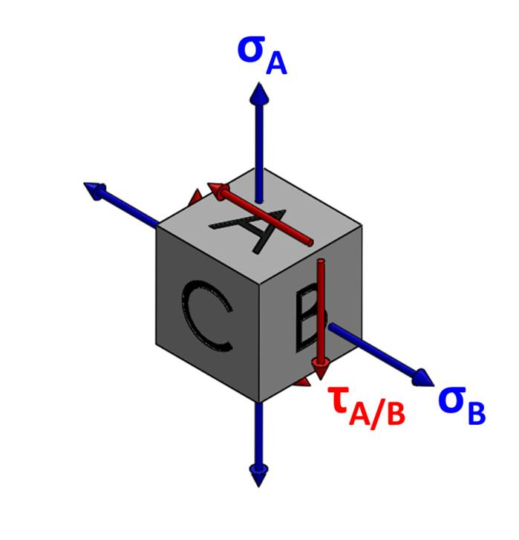
input | sigma A | 130 | MPa
 | sigma B | -90 | MPa
 | Tau A/B | 0 | MPa

Max | A | 45 | MPa
 | B | 65 | MPa
 | C | 110 | MPa

von meiss | A | 90 | MPa
 | B | 130 | MPa
 | C | 191.57244061 | MPa

results | Max | 110 | MPa
 | factor of saftey | 1.1363636364
 | von mesis | 191.57244061 | MPa
 | factor of saftey | 1.3049893774

Single load
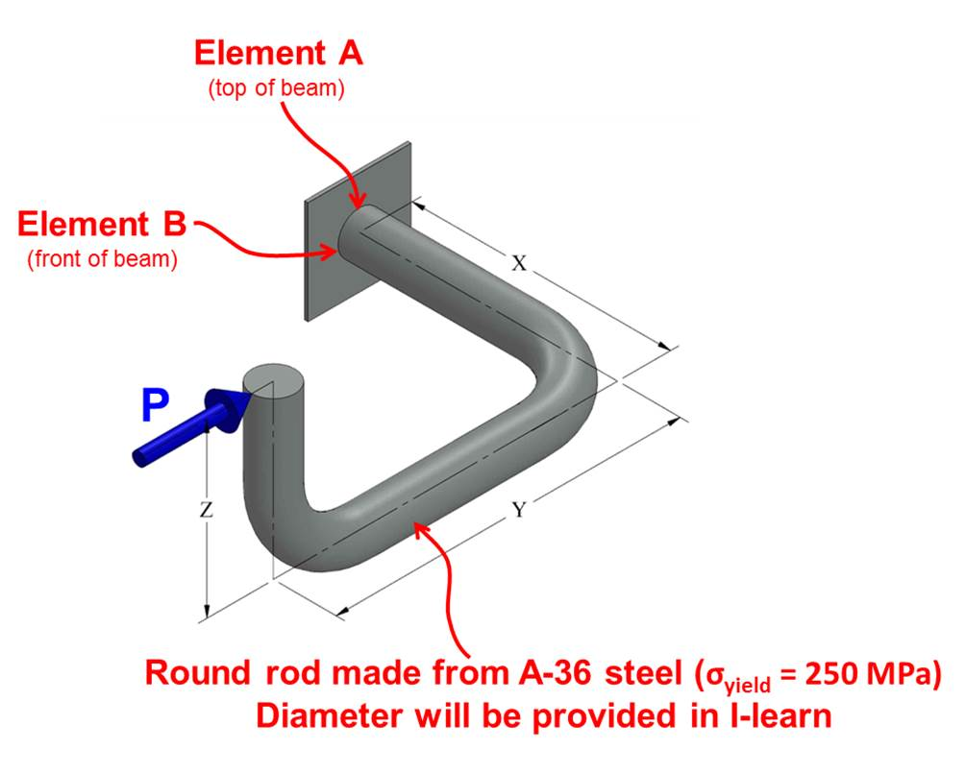
input | P | 1200 | N
 | D | 24 | mm
 | X | 150 | mm
 | Y | 100 | mm
 | Z | 90 | mm

properties | M | 180 | N-m
 | T | 108 | N-m
 | I | 1.6286016316E-08 | m^4
 | J | 3.2572032632E-08 | m^4
 | Q | 0.000001152 | m^3

element A | sigma x | 0 | MPa
 | sigma y | 0 | MPa
 | tau | 43.325512286 | MPa

element B | sigma x | 132.62911924 | MPa
 | sigma y | 0 | MPa
 | tau | 39.788735773 | MPa

Hoist Joints
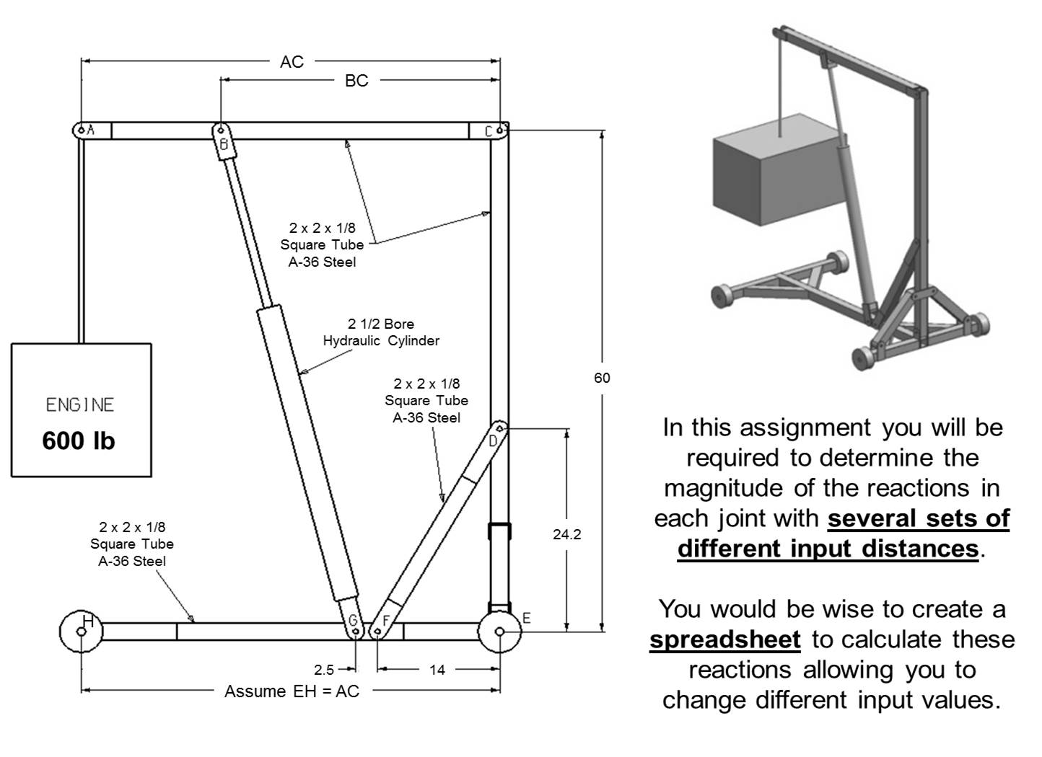
hoist | 2.02
AC | 51
BC | 40

theta | 1.197494436
phi | 0.52446993263
BG | 821.58392184
Cy | -165
Cx | 299.625
C | 342.05283309
DF | 1483.5059202

Hoist internal stress
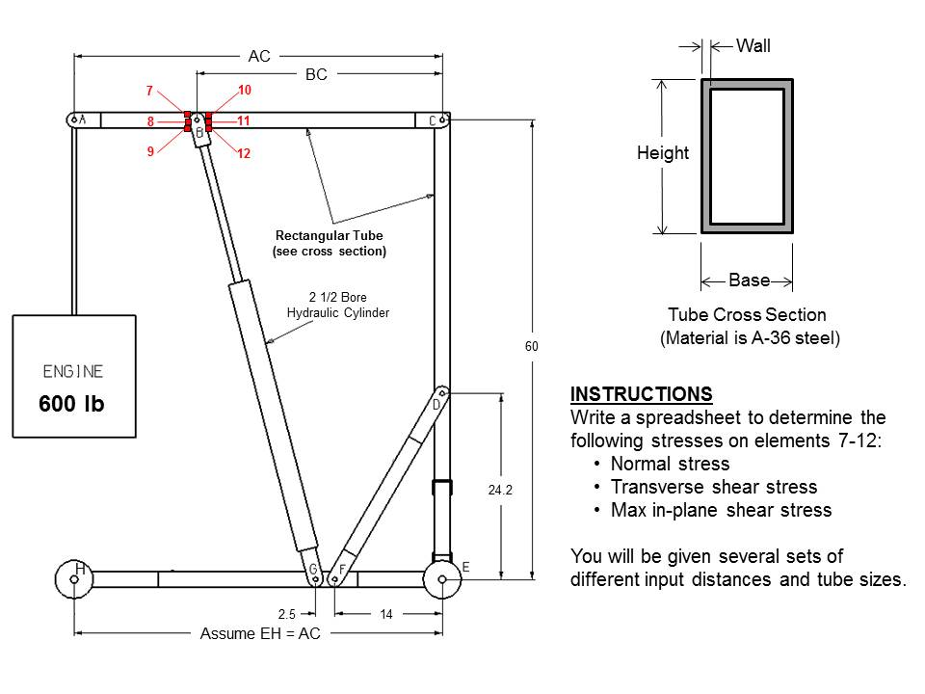
Dimentions | hoist | 2.02
 | AC | 62 | in
 | BC | 36 | in
 | theta | 1.2565644277 | rad
 | phi | 0.52446993263 | rad
 | base | 1 | in
 | height | 2 | in
 | wall | 0.125 | in
 | weight | 600

Joint stress | A | 600 | lbs
 | BG | 1086.5366103 | lbs
 | Cy | -433.33333333 | lbs
 | Cx | 335.83333333 | lbs
 | C | 548.23517358 | lbs
 | DF | 1662.7809369 | lbs

stress | M | 15600 | in-lb
 | v-left | 600
 | v-right | 433.33333333 | in-lb
 | I | 0.33170572917 | in^4
 | J | 0.66341145833 | In^4
 | Q | 0.212890625 | in^3
 | Normal y | 36000 | psi
 | Sheer y | 18000

Normal stress | 7 | 47029.636899 | psi
 | 8 | 0 | psi
 | 9 | 47029.636899 | psi
 | 10 | 47518.121747 | psi
 | 11 | 488.48484848 | psi
 | 12 | 46541.15205 | psi

Sheer stress | 7 | 0 | psi
 | 8 | 1540.3336605 | psi
 | 9 | 0 | psi
 | 10 | 0 | psi
 | 11 | 1112.4631992 | psi
 | 12 | 0 | psi

max in plane | 7 | 23514.818449 | psi
 | 8 | 1540.3336605 | psi
 | 9 | 23514.818449 | psi
 | 10 | 23759.060874 | psi
 | 11 | 1138.9594951 | psi
 | 12 | 23270.576025 | psi

